Sheet1
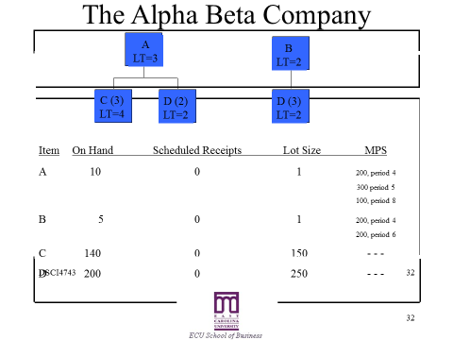

 |  |  |  |  | Period
 |  |  |  | Capacity | 1 | 2 | 3 | 4 | 5 | 6 | 7 | 8
 |  |  |  | A
 |  |  |  | B

Item: A | LLC: 0 |  |  |  |  | Period
1 | 3 | PD | 1 | 2 | 3 | 4 | 5 | 6 | 7 | 8
Gross requirements |  |  | 0 | 0 | 0 | 0 | 0 | 0 | 0 | 0 | 600 | 0
Scheduled receipts
Projected on hand |  | 10 | 10 | 10 | 10 | 10 | 10 | 10 | 10 | 10
Net requirements |  |  | 0 | 0 | 0 | 0 | 0 | 0 | 0 | 0
Planned order receipts |  |  | 0 | 0 | 0 | 0 | 0 | 0 | 0 | 0
Planned order releases |  | 0 | 0 | 0 | 0 | 0 | 0 | 0 | 0 | 0
Capacity Available |  |  | 0 | 0 | 0 | 0 | 0 | 0 | 0 | 0
Needed Capacity |  |  | 0 | 0 | 0 | 0 | 0 | 0 | 0 | 0
Over/(Under) |  |  | 0 | 0 | 0 | 0 | 0 | 0 | 0 | 0

Item: B | LLC: 0 |  |  |  |  | Period
1 | 2 | PD | 1 | 2 | 3 | 4 | 5 | 6 | 7 | 8
Gross requirements |  |  | 0 | 0 | 0 | 0 | 0 | 0 | 0 | 0 | 400 | 0
Scheduled receipts
Projected on hand |  | 5 | 5 | 5 | 5 | 5 | 5 | 5 | 5 | 5
Net requirements |  |  | 0 | 0 | 0 | 0 | 0 | 0 | 0 | 0
Planned order receipts |  |  | 0 | 0 | 0 | 0 | 0 | 0 | 0 | 0
Planned order releases |  | 0 | 0 | 0 | 0 | 0 | 0 | 0 | 0 | 0
Capacity Available |  |  | 0 | 0 | 0 | 0 | 0 | 0 | 0 | 0
Needed Capacity |  |  | 0 | 0 | 0 | 0 | 0 | 0 | 0 | 0
Over/(Under) |  |  | 0 | 0 | 0 | 0 | 0 | 0 | 0 | 0

Item: C | LLC: 1 |  |  |  |  | Period
150 | 4 | PD | 1 | 2 | 3 | 4 | 5 | 6 | 7 | 8
Gross requirements |  |  | 0 | 0 | 0 | 0 | 0 | 0 | 0 | 0
Scheduled receipts
Projected on hand |  | 140 | 140 | 140 | 140 | 140 | 140 | 140 | 140 | 140
Net requirements |  |  | 0 | 0 | 0 | 0 | 0 | 0 | 0 | 0
Planned order receipts |  |  | 0 | 0 | 0 | 0 | 0 | 0 | 0 | 0
Planned order releases |  | 0 | 0 | 0 | 0 | 0 | 0 | 0 | 0 | 0

Item: D | LLC: 1 |  |  |  |  | Period
250 | 2 | PD | 1 | 2 | 3 | 4 | 5 | 6 | 7 | 8
Gross requirements |  |  | 0 | 0 | 0 | 0 | 0 | 0 | 0 | 0
Scheduled receipts
Projected on hand |  | 200 | 200 | 200 | 200 | 200 | 200 | 200 | 200 | 200
Net requirements |  |  | 0 | 0 | 0 | 0 | 0 | 0 | 0 | 0
Planned order receipts |  |  | 0 | 0 | 0 | 0 | 0 | 0 | 0 | 0
Planned order releases |  | 0 | 0 | 0 | 0 | 0 | 0 | 0 | 0 | 0

